Instructions
An Eng.L./Geo.L. is registered to practice engineering/geoscience within a Defined Scope of Practice. A Defined Scope of Practice is a written description of the individual’s specific area of professional expertise. It defines the limitations within which an Eng.L./Geo.L. is permitted to practice engineering/geoscience.
Applicants for an Eng.L./Geo.L. must demonstrate the following academic and experience requirements:
A science degree or a diploma in engineering or geoscience technology (or the equivalent).
At least eight years of engineering or geoscience work experience, which must include:
One year in a Canadian Environment.
At least two years under the supervision of a licensed Professional Engineer or Professional Geoscientist.
You may apply up to four years of the required post-secondary training towards the 8-year experience requirement.
Acceptable work experience typically includes the application of theory and exposure to, or experience in the following broad areas: practical experience, management, communication, the social implications of engineering or geoscience, and sustainability. Please refer to the Satisfactory Engineering Experience Guidelines or the Satisfactory Geoscience Experience Guidelines for more details.
INSTRUCTIONS
Completion of the SCOPE, LICENSING ACTIVITY(s) and SUMMARY is required for reporting experience qualifications for an application as an Eng.L, Geo.L. of APEGBC. Use the tabs at the bottom of the spreadsheet to navigate between pages. Please save a copy for your records as you may need to update your work experience for a future review.
NO OTHER RESUME/ CV FORMAT WILL BE ACCEPTED.
Complete the SCOPE , LICENSING ACTIVITY(s) and SUMMARY sections of the application, focusing on the technical engineering/geoscience aspects of your work. Abbreviations and Acronyms must be defined/explained. Do not expect that these are universally understood as many are company specific.
Applicants may not make changes to cells or modify the spreadsheet in a way that affects the page margins, size, alignment, printer settings, or other formatting features.
After completing the SCOPE, DETAILS and SUMMARY sections, please e-mail them to APEGBC as an Excel attachment.
Please contact our Registration Support Desk with any questions
604-412-4856
register@apeg.bc.ca

Sample Scopes of Practice
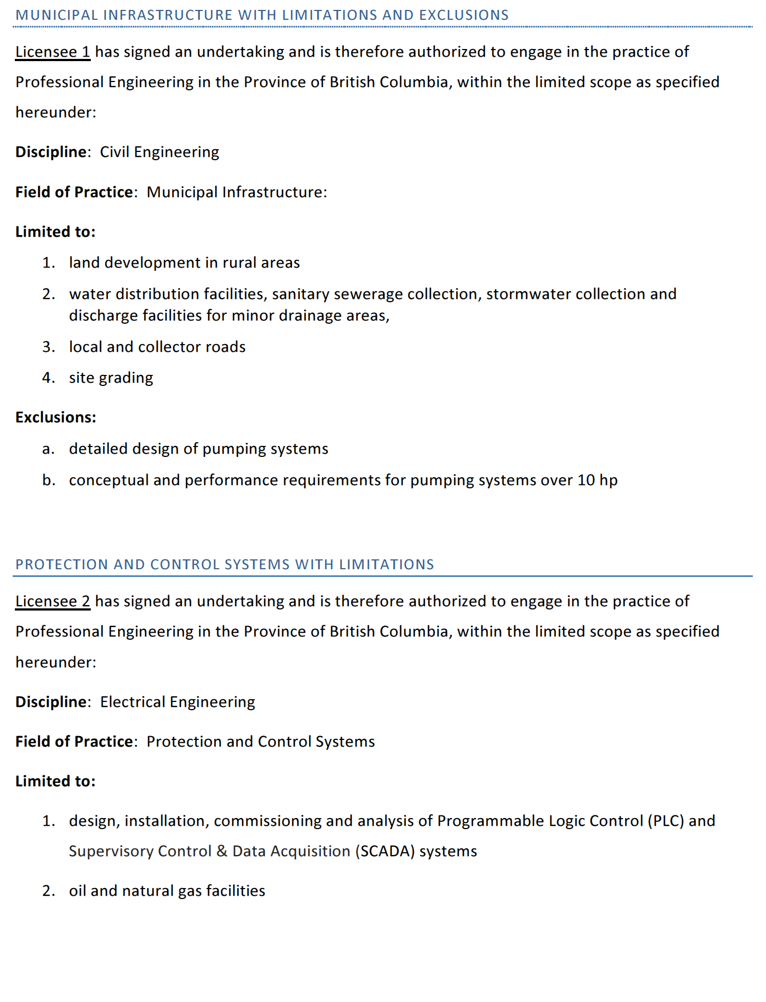

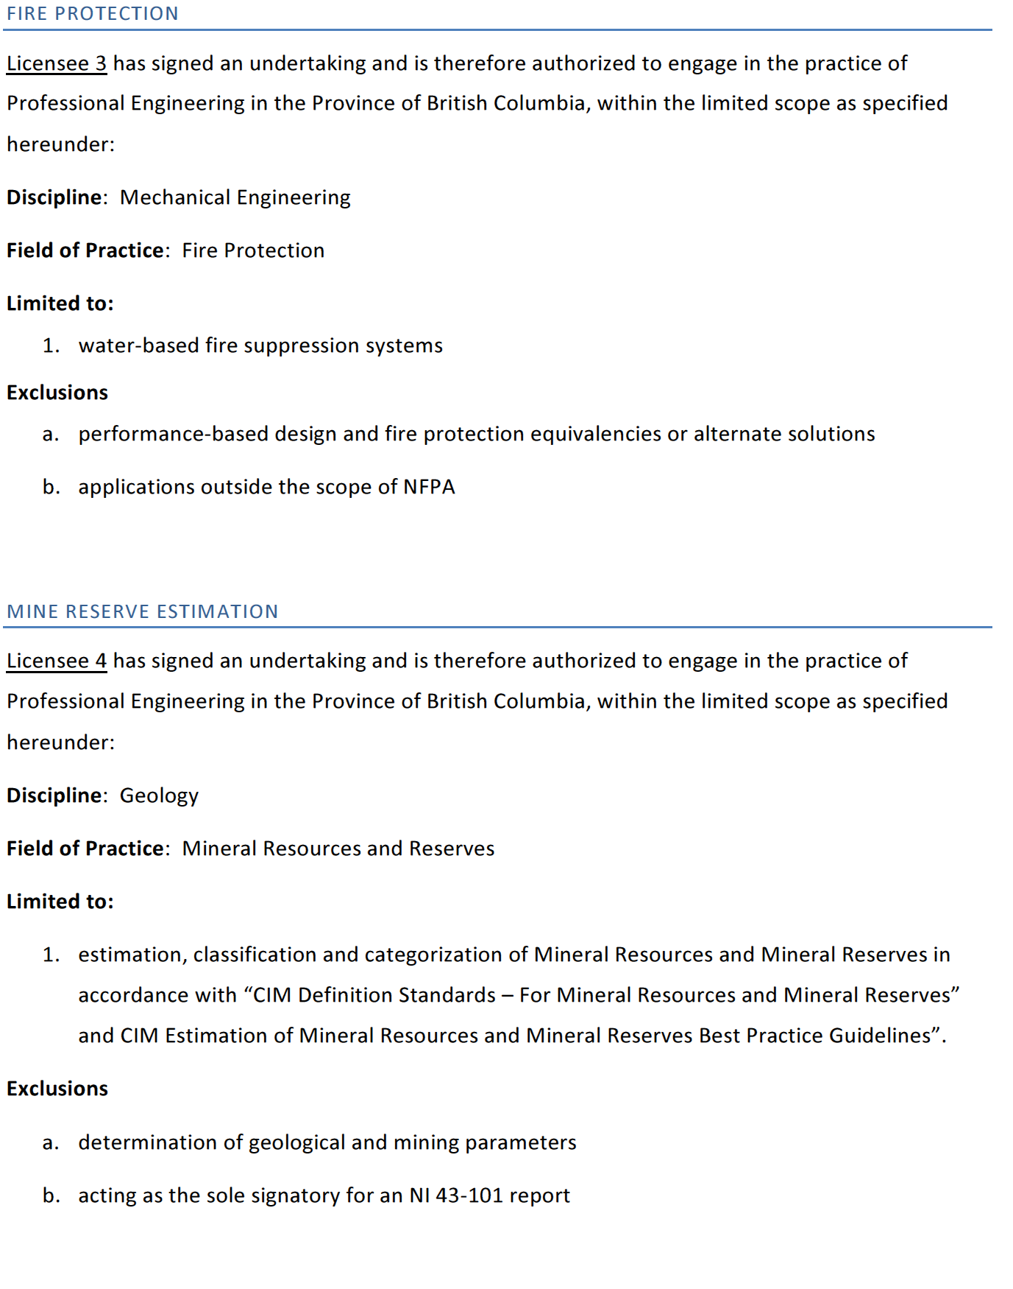

Areas of Competence
Areas of Competence for guiding your licensing activity(s) details
1. Technical Competence
1.1 Demonstrate knowledge of regulations, codes, standards, and safety - this includes local engineering procedures and practices as applicable
1.2 Demonstrate knowledge of materials, or operations as appropriate, project and design constraints, design to best fit the purpose or service intended and address inter-disciplinary impacts.
1.3 Analyze technical risks and offer solutions to mitigate the risks
1.4 Apply engineering knowledge to design solutions
1.5 Be able to understand solution techniques and independently verify the results.
1.6 Safety awareness: be aware of safety risks inherent in the design; and Demonstrate Safety Awareness – on-site and possible safety authorization/certificate as appropriate
1.7 Demonstrate understanding of systems as well as of components of systems
1.8 Exposure to all stages of the process/project life cycle from concept and feasibility analysis through implementation
1.9 Understand the concept of quality control during design and construction including independent design check and independent reviews of design, field checks and reviews.
1.10Transfer design intentions to drawings and sketches; Understand transmittal of design information to design documents
2. Project and Financial Management Related Competence
2.1 Oral
2.2 In Writing
2.3 Reading and Comprehension
2.4 Awareness of project management principles
2.5 Demonstrate increasing level of responsibility for project planning and implementation
2.6 Manage expectations in light of available resources
2.7 Understand the financial aspects of their work
2.8 Ask for and demonstrate response to feedback
2.9 Work respectfully and with other disciplines/people
2.10 Work to resolve differences
3. Professional Accountability & Social, Economic, Environmental and Sustainability Competence
3.1 Work with integrity, ethically and within professional standards (Indicators: Comply with APEGBC’s code of ethics; Apply professional ethics in meeting corporate directives)
3.2 Demonstrate an awareness of your own scope of practice and limitations
3.3 Understand how conflict of interest affects your practice
3.4 Demonstrate awareness of professional accountability
3.5 Demonstrate an understanding of appropriate use of the stamp and seal
3.6 Demonstrate an understanding of the safeguards required to protect the public and the methods of mitigating adverse impacts
3.7 Demonstrate an understanding of the relationship between the engineering activity and the public
3.8 Understand the role of regulatory bodies on the practice of engineering
3.9 Be aware of any specific sustainability clauses that have been added to practice guidelines that apply to their area
3.10 To the extent possible, recognizing the applicant’s position of influence, consider how sustainability principles could be applied and promoted in his/her specific work
4. Personal Continuing Professional Development Competence
4.1 Demonstrate completion of professional development activities
4.2 Demonstrate awareness of gaps in knowledge and areas requiring further development
4.3 Develop a professional development plan to address gaps in knowledge and maintain currency in field of practice

Examples of Reporting Details
